Ch14 Calc
<Correlation Analysis>
Week | Number of TV Ads x | Number of Cars Sold y | xy | x2 | y2 | r = CORREL(array1, array2)
1 | 3 | 13 | 39 | 9 | 169 | 0.83638514598
2 | 6 | 31 | 186 | 36 | 961
3 | 4 | 19 | 76 | 16 | 361
4 | 5 | 27 | 135 | 25 | 729
5 | 6 | 23 | 138 | 36 | 529
6 | 3 | 19 | 57 | 9 | 361
Sum | 27 | 132
Six-Number Summary for Correlation and Cimple Regression (SNSCSR)
n | Σx | Σy | Σxy | Σx2 | Σy2 | Level of Significance = a (given)
6 | 27 | 132 | 631 | 131 | 3110 | 0.05
nΣxy - (Σx)(Σy) | nΣx2 - (Σx)2 | nΣy2 - (Σy)2 | √[nΣx2 - (Σx)2][nΣy2 - (Σy)2] | Correlation Coefficient = r | n-2 = degrees of freedom | t as test statistic for r: t = r / √(1-r2)/(n-2) | ta = T.INV (1-a,degrees of freedom) | Upper tail: Reject H0 if t > ta
222 | 57 | 1236 | 265.42795633 | 0.83638514598 | 4 | 3.0517085657 | 2.13 | TRUE
<Estimated simple linear regression equation>

<Estimated simple linear regression equation> |  |  |  |  |  |  |  |  |  |  |  |  |  | <Coefficient of Determination> |  |  |  |  |  |  |  |  | <Testing for Significance>
Week | Number of TV Ads x | Number of Cars Sold y | x̄ | ȳ | xi - x̄ | yi - ȳ | (xi - x̄)(yi - ȳ) | (xi - x̄)2 | Slope for estimated regression equation: b1 | b1x̄ | y-intercept for estimated regression equation: b0 | b1xi | Estimated regression equation: ŷi = b0 + b1xi, where ŷi = predicted value of dependent variable for ith observation | Residuals: yi - ŷi | Squared Error = (yi - ŷi)2 | yi - ȳ | Squared Deviation = (yi - ȳ)2 | (ŷi - ȳ) | Squares due to regression = (ŷi - ȳ)2 | SST = SSR + SSE | Coefficient of determination: r2 = SSR/SST | Sample correlation coefficient: rxy = (sign of b1)√r2 | n | n-2 = degrees of freedom | Upper-tailed: H0: p2 <= 0 (True means relationship is significant) | Upper-tailed: Ha: p2 > 0 | Confidence Coefficient (given) | Level of Significance = a (given) | a / 2 | Estimate of s2 = s2 = MSE = SSE / (n-2), where SSE = Σ(yi - ŷi)2 = Σ(yi - b0 - b1xi)2 n-2 = degrees of freedom | Estimate of s = Standard error of the estimate = se = √MSE | (from data) Estimated standard deviation of b1 sb1 = s / (√(Σ(xi-x̄)2)) | MSR=SSR
1 | 3 | 13 |  |  | -1.5 | -9 | 13.5 | 2.25 | 3.8947368421 |  | 4.4736842105 | 11.684210526 | 16.157894737 | -3.1578947368 | 9.972299169 | -9 | 81 | -5.8421052632 | 34.130193906 |  |  |  | 6 | 4 |  |  | 0.95 | 0.05 | 0.025 | 15.473684211 | 3.9336604086 | 1.2762479635 | 144.10526316
2 | 6 | 31 |  |  | 1.5 | 9 | 13.5 | 2.25 |  |  |  | 23.368421053 | 27.842105263 | 3.1578947368 | 9.972299169 | 9 | 81 | 5.8421052632 | 34.130193906 |  |  |  | <t test> |  |  | <p-value approach> |  |  |  | <Confidence Interval for B1>
3 | 4 | 19 |  |  | -0.5 | -3 | 1.5 | 0.25 |  |  |  | 15.578947368 | 20.052631579 | -1.0526315789 | 1.108033241 | -3 | 9 | -1.9473684211 | 3.7922437673 |  |  |  | t as Test statistic t = b1/sb1 | -ta/2 = T.INV (a/2, degrees of freedom) or ta/2 = T.INV (1-(a/2), degrees of freedom) | Reject H0 if t <= -ta/2 or Reject H0 if t >= ta/2 | p-value in lower or upper tail TDIST | Combined p-value: Doubling p-value | Level of Significance = a (given) | Reject H0 if p-value <= a | ta/2sb1 = margin of error | b1lower | b1upper | Two-tailed: H0: B1 = 0 | Reject H0 If confidence interval doesn't contain B1=0 or Reject H0 If B1=0 happens to be equal to one of end points of confidence interval
4 | 5 | 27 |  |  | 0.5 | 5 | 2.5 | 0.25 |  |  |  | 19.473684211 | 23.947368421 | 3.0526315789 | 9.3185595568 | 5 | 25 | 1.9473684211 | 3.7922437673 |  |  |  | 3.0517085657 | 2.7764451052 | TRUE | 0.0190 | 0.0380 | 0.05 | TRUE | 3.5434324112 | 0.35130443091 | 7.4381692533
5 | 6 | 23 |  |  | 1.5 | 1 | 1.5 | 2.25 |  |  |  | 23.368421053 | 27.842105263 | -4.8421052632 | 23.44598338 | 1 | 1 | 5.8421052632 | 34.130193906 |  |  |  | <F test> |  |  | <p-value approach>
6 | 3 | 19 |  |  | -1.5 | -3 | 4.5 | 2.25 |  |  |  | 11.684210526 | 16.157894737 | 2.8421052632 | 8.0775623269 | -3 | 9 | -5.8421052632 | 34.130193906 |  |  |  | F = MSR/MSE | Fa = F.INV.RT (1-a, Regression degrees of freedom = 1 variable, degrees of freedom = n-2) | Reject H0 if F >= Fa | p-value FDIST(F, Regression degrees of freedom = 1 variable, degrees of freedom = n-2) |  | Level of Significance = a (given) | Reject H0 if p-value <= a | 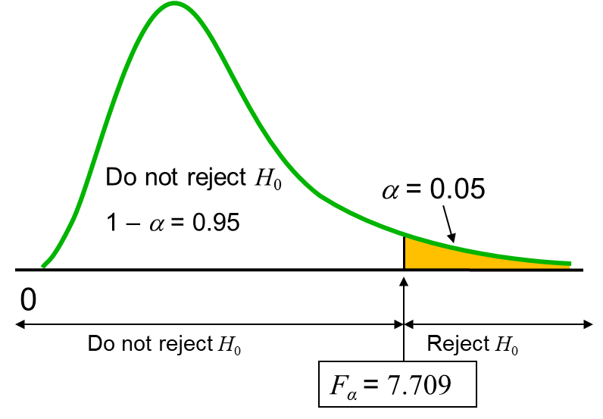 |  | 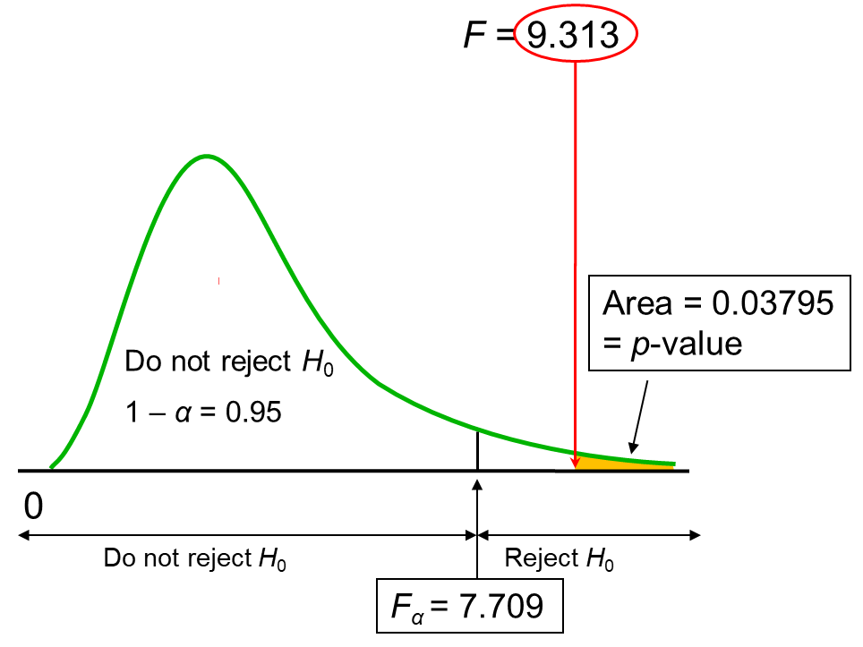
 |  |  |  |  |  |  |  |  |  |  |  |  |  |  |  |  |  |  |  |  |  |  | 9.3129251701 | 7.7086474222 | TRUE | 0.0380 |  | 0.05 | TRUE
 |  |  |  |  |  |  |  |  |  |  |  |  |  |  |  |  |  |  |  |  |  |  | <Confidence interval estimate of E(y*)>
Totals | 27 | 132 | 4.5 | 22 |  |  | 37 | 9.5 | 3.8947368421 | 17.526315789 | 4.4736842105 |  |  |  | 61.894736842 |  | 206 |  | 144.10526316 | 206 | 0.69954011242 | 0.83638514598
 | Σxi (from data) | Σyi (from data) | (from data) | (from data) |  |  | Σ(xi - x̄)(yi - ȳ) (from data) | Σ(xi - x̄)2 (from data) |  |  |  |  |  |  | Sum of Squares due to Error (Error in using ŷ to predict y) SSE = Σ(yi - ŷi)2 |  | Sum of Squares Total (Error in using ȳ to predict y): SST = Σ(yi - ȳ)2 |  | Sum of Squares due to Regression (How much ŷ deviate from ȳ): SSR = Σ(ŷi - ȳ)2 |  | Coefficient of determination: r2 = SSR/SST | Sample correlation coefficient: rxy = (sign of b1)√r2 | x | Estimated regression equation: ŷi = b0 + b1xi | Estimate of s = Standard error of the estimate = se = √MSE | n | Σx | Σx2 | x̄ | Level of Significance = a (given) | a / 2 | n-2 = degrees of freedom | ta/2 = T.INV (1-a/2,degrees of freedom)
 |  |  | Estimated simple linear regression equation: |  |  |  | ŷ = b0 + b1x |  |  |  |  |  |  |  |  |  |  |  |  |  |  |  | 5 | 23.947368421 | 3.9336604086 | 6 | 27 | 131 | 4.5 | 0.05 | 0.025 | 4 | 2.7764451052
 |  |  |  |  |  |  | ŷ | = | 4.4736842105 | + | 3.8947368421 | x |  |  |  |  |  |  |  |  |  |  | (𝑥−𝑥 ̄)^2 |  |  |  | LCL | UCL
 |  |  |  |  |  |  |  |  |  |  |  | x | Estimated regression equation: ŷi = b0 + b1xi |  |  |  |  |  |  |  |  |  | 0.25 | 9.5 | 0.43929768511 | 10.921592187 | 19.149538256 | 28.745198587
 |  |  |  |  |  |  |  |  |  |  |  | 5 | 23.947368421
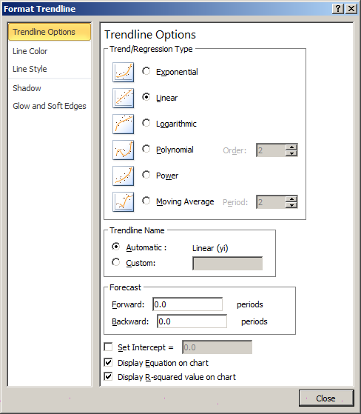 |  |  |  |  |  |  |  |  |  |  |  |  |  |  |  |  |  |  |  |  |  |  | x* | Estimated regression equation: ŷ* = b0 + b1x* | x̄ | (x*-x̄)2 | [(1/n) + (x*-x̄)2/Σ(xi-x̄)2] | Estimate of Variance of ŷ*: s2ŷ* = s2[(1/n) + (x*-x̄)2/Σ(xi-x̄)2] | Estimate of standard deviation of ŷ*: sŷ* = s√[(1/n) + (x*-x̄)2/Σ(xi-x̄)2] | -ta/2 = T.INV (a/2, degrees of freedom) or ta/2 = T.INV (1-(a/2), degrees of freedom) | ta/2sŷ* = margin of error | ŷlower | ŷupper
 |  |  |  |  |  |  |  |  |  |  |  |  |  |  |  |  |  |  |  |  |  |  | 5 | 23.947368421 | 4.5 | 0.25 | 0.19298245614 | 2.9861495845 | 1.7280479115 | 2.7764451052 | 4.7978301655 | 19.15 | 28.75

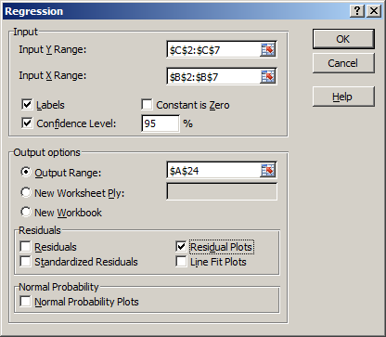
 |  |  |  |  |  |  |  |  |  |  |  |  |  |  |  |  |  |  |  |  |  |  |  |  |  |  | <Prediction interval estimate of y*>
 |  |  |  |  |  |  |  |  |  |  |  |  |  |  |  |  |  |  |  |  |  |  |  |  |  |  | 1 + (1/n) + (x*-x̄)2/Σ(xi-x̄)2] | Estimate of Variance of ŷ* as a predictor of y when x = x*: s2pred = s2[1 + (1/n) + (x*-x̄)2/Σ(xi-x̄)2] | Estimate of standard deviation of ŷ* as a predictor of y when x = x*: spred = s√[1 + (1/n) + (x*-x̄)2/Σ(xi-x̄)2] | -ta/2 = T.INV (a/2, degrees of freedom) or ta/2 = T.INV (1-(a/2), degrees of freedom) | ta/2spred = margin of error | ŷlower | ŷupper
SUMMARY OUTPUT |  |  |  |  |  |  |  |  |  | SUMMARY OUTPUT |  |  |  |  |  |  |  |  |  |  |  |  |  |  |  |  | 1.1929824561 | 18.459833795 | 4.2964908699 | 2.7764451052 | 11.928971045 | 12.02 | 35.88

Regression Statistics |  |  |  |  |  |  |  |  |  | Regression Statistics
Multiple R | 0.93658581158 |  |  |  |  |  |  |  |  | Multiple R (Sample correlation coefficient): rxy = (sign of b1)√r2 | 0.83638514598
R Square | 0.87719298246 |  |  |  |  |  |  |  |  | R Square (Coefficient of determination): r2 = SSR/SST | 0.69954011242
Adjusted R Square | 0.83625730994 |  |  |  |  |  |  |  |  | Adjusted R Square
Standard Error | 2.1602468995 |  |  |  |  |  |  |  |  | Standard error of the estimate s = √MSE = √(SSE/(n-2)) | 3.9336604086
Observations | 5 |  |  |  |  |  |  |  |  | Observations (# of observations) = n | 6

ANOVA |  |  |  |  |  |  |  |  |  | <ANOVA (Analysis of Variance) Table> |  |  |  |  |  |  | <ANOVA (Analysis of Variance) Table>
 | df | SS | MS | F | Significance F |  |  |  |  | Source of Variation | Degrees of Freedom | Sum of Squares | Mean Square | F | p-value |  | Source of Variation | Degrees of Freedom | Sum of Squares | Mean Square | F | p-value
Regression | 1 | 100 | 100 | 21.428571429 | 0.01898623125 |  |  |  |  | Regression | 1 | 144.10526316 | 144.10526316 | 9.3129251701 | 0.0380 |  | Regression | 1 | SSR = SST - SSE | MSR = SSR/1 | F = MSR / MSE | p-value FDIST(F, Regression degrees of freedom = 1 variable, degrees of freedom = n-2)
Residual | 3 | 14 | 4.6666666667 |  |  |  |  |  |  | Error | 4 | 61.894736842 | 15.473684211 |  |  |  | Error | n-2 | SSE = SST - SSR | MSE = SSE / n-2
Total | 4 | 114 |  |  |  |  |  |  |  | Total | 5 | 206 |  |  |  |  | Total | n-1 | SST = SSR + SSE

 | Coefficients | Standard Error | t Stat | P-value | Lower 95% | Upper 95% | Lower 95.0% | Upper 95.0% |  |  | Coefficients | Standard Error | t Stat | P |  |  |  | Coefficients | Standard Error | t Stat | P
Intercept | 10 | 2.3664319132 | 4.2257712736 | 0.02423601177 | 2.468957501 | 17.531042499 | 2.468957501 | 17.531042499 |  | y-Intercept | 4.4736842105 |  |  |  |  |  | y-Intercept | b0
Number of TV Ads = xi | 5 | 1.0801234497 | 4.6291004989 | 0.01898623125 | 1.5625651181 | 8.4374348819 | 1.5625651181 | 8.4374348819 |  | xi | 3.8947368421 | 1.2762479635 | 3.0517085657 | 0.0380 |  |  | xi | b1 | sb1 | b1/sb1 | Doubling p: If(t<0,TDIST(-t,n-2,1),TDIST(t,n-2,1))
Number of TV Ads = xi Residual Plot

RESIDUAL OUTPUT

Observation | Predicted Number of Cars Sold = yi | Residuals
1 | 15 | -1
2 | 25 | -1
3 | 20 | -2
4 | 15 | 2
5 | 25 | 2

